Read Me
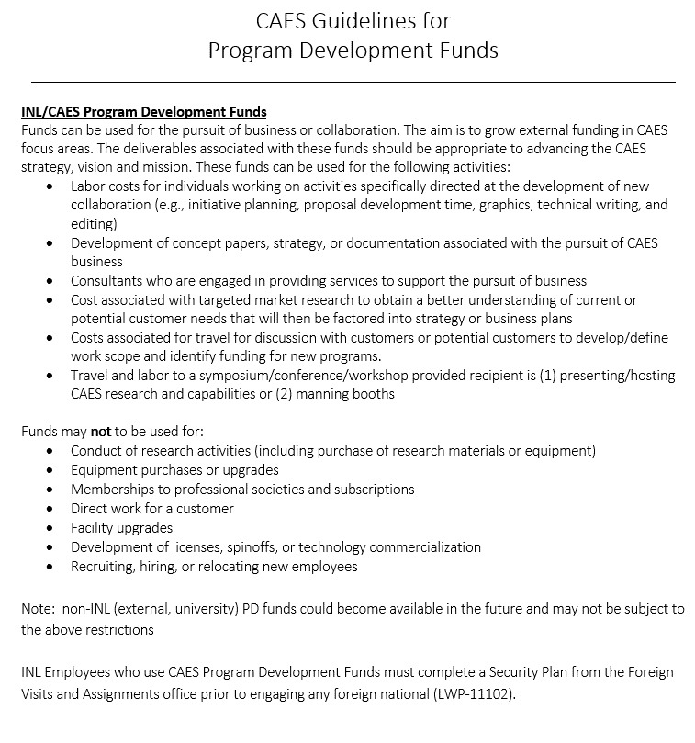
Your Research, Education, & Innovation (REI) specialist is available to assist you and answer any questions

Follow these steps to request program development funding
1 | Select activity from 1-CAES Programmatic Activity - Product Table document
2 | Complete 2-Fellows Funding Request Template - work with REI Specialist as needed
 | Select the tab(s) for your product or activity
 | Fill in the grey boxes
 | Confirm funding requested is in yellow highlighted box
 | May include more than one request on same document
 | Include co-Pis
3 | To request travel, select the Air or Auto travel tab
 | Fill in the grey boxes
 | Confirm funding requested is in yellow highlighted box
4 | Rename template to include your name (i.e. JDoe Proposal Fellows Funding Request)
5 | Submit Funding Request to REI and Business Ops Specialists

Upon approval by Executive Board
1 | Initial Agreement which includes statement of work, milestones, and deliverables
2 | If a subcontract is required, provide budget details from OSP
3 | After subcontract is signed, begin work
4 | Work with CAES Administrative Assistant to arrange travel
 | Complete travel and submit receipts
 | Submit any expected meeting reports

Upon completion of work
1 | Submit final product to REI and Business Ops Specialists

